PRIMER SEMESTRE 2020
REPORTE SOLICITUDES DE ACCESO A LA INFORMACIÓN PÚBLICA |  |  |  |  |  |  |  |  | OCTUBRE | NOVIEMBRE | DICIEMBRE
UNIDAD COORDINADORA DE ATENCIÓN CIUDADANA DEL CONGRESO DE LA REPÚBLICA PRIMER SEMESTRE 2020 |  |  |  |  |  |  |  | SOLICITUDES DE INFORMACIÓN | 316 | 287 | 146
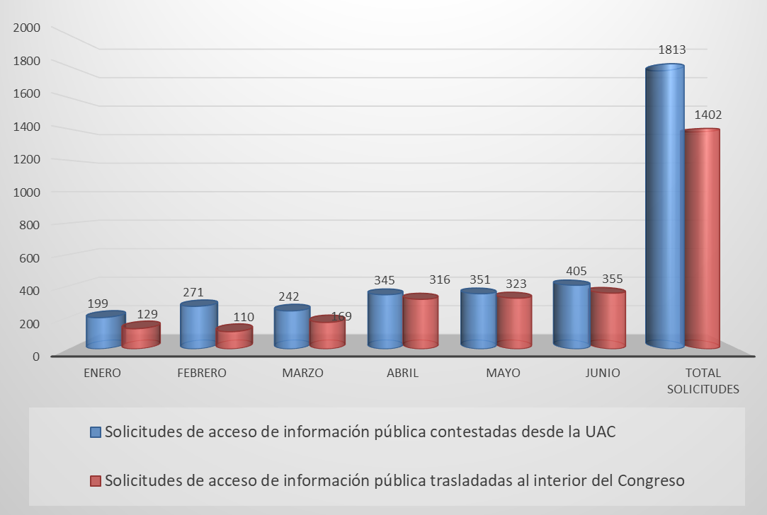
Comparativo solicitudes de información pública atendidos desde la UAC y trasladadas al interior del Congreso.

Las solicitudes de información pública en el Congreso de la República en su mayoría obedecen al interés de los ciudadanos en conocer el estado de los proyectos de acto legislativo y de ley que se encuentran en curso. Recibidas en la Unidad de Atención Ciudadana del Congreso (UAC ) 3.215. Contestadas desde la UAC 1.813, trasladadas al interior del Congreso 1.402.

 | REPORTE SOLICITUDES DE ACCESO A LA INFORMACIÓN PÚBLICA. SOLICITUDES DE ACCESO A LA INFORMACIÓN PÚBLICA CONTESTADAS DESDE LA UNIDAD DE ATENCIÓN CIUDADANA DEL CONGRESO -UAC

 | SOLICITUDES DE ACCESO A LA INFORMACIÓN PÚBLICA CONTESTADAS DESDE LA UNIDAD DE ATENCIÓN CIUDADANA DEL CONGRESO -UAC
 | No. SOLICITUD | No. RADICADO ENTRADA | FECHA RADICACIÓN | No. RADICADO RESPUESTA | FECHA RESPUESTA | TIEMPO DE RESPUESTA
 | 1 | 5748 | 2020-01-08 | UAC-CS-8084-2019 | 2020-01-08 | 0
 | 2 | 5749 | 2020-01-08 | UAC-CS-8085-2019 | 2020-01-08 | 0
 | 3 | 5750 | 2020-01-13 | UAC-CS-8087-2019 | 2020-01-13 | 0
 | 4 | 5752 | 2020-01-13 | UAC-CS-8088-2019 | 2020-01-13 | 0
 | 5 | 0013 | 2020-01-01 | UAC-CS-0026-2020 | 2020-01-07 | 2
 | 6 | 0014 | 2020-01-01 | UAC-CS-0025-2020 | 2020-01-07 | 2
 | 7 | 0016 | 2020-01-04 | UAC-CS-0050-2020 | 2020-01-09 | 2
 | 8 | 0017 | 2020-01-04 | UAC-CS-0051-2020 | 2020-01-09 | 2
 | 9 | 0019 | 2020-01-01 | UAC-CS-0030-2020 | 2020-01-07 | 3
 | 10 | 0020 | 2020-01-02 | UAC-CS-0031-2020 | 2020-01-07 | 2
 | 11 | 0025 | 2020-01-02 | UAC-CS-0040-2020 | 2020-01-07 | 2
 | 12 | 0026 | 2020-01-02 | UAC-CS-0041-2020 | 2020-01-07 | 2
 | 13 | 0034 | 2020-01-03 | UAC-CS-0084-2020 | 2020-01-07 | 1
 | 14 | 0035 | 2020-01-03 | UAC-CS-0085-2020 | 2020-01-07 | 1
 | 15 | 0036 | 2020-01-03 | UAC-CS-0086-2020 | 2020-01-07 | 1
 | 16 | 0037 | 2020-01-03 | UAC-CS-0087-2020 | 2020-01-07 | 1
 | 17 | 0039 | 2020-01-04 | UAC-CS-0054-2020 | 2020-01-09 | 2
 | 18 | 0042 | 2020-01-04 | UAC-CS-0059-2020 | 2020-01-09 | 2
 | 19 | 0043 | 2020-01-04 | UAC-CS-0060-2020 | 2020-01-09 | 2
 | 20 | 0044 | 2020-01-04 | UAC-CS-0564-2020 | 2020-01-09 | 2
 | 21 | 0049 | 2020-01-09 | UAC-CS-0072-2020 | 2020-01-09 | 0
 | 22 | 0050 | 2020-01-09 | UAC-CS-0069-2020 | 2020-01-09 | 0
 | 23 | 0051 | 2020-01-05 | UAC-CS-0088-2020 | 2020-01-05 | 0
 | 24 | 0054 | 2020-01-05 | UAC-CS-0093-2020 | 2020-01-05 | 0
 | 25 | 0058 | 2020-01-07 | UAC-CS-0100-2020 | 2020-01-07 | 0
 | 26 | 0059 | 2020-01-07 | UAC-CS-0101-2020 | 2020-01-07 | 0
 | 27 | 0060 | 2020-01-07 | UAC-CS-0102-2020 | 2020-01-07 | 0
 | 28 | 0061 | 2020-01-07 | UAC-CS-0103-2020 | 2020-01-07 | 0
 | 29 | 0064 | 2020-01-09 | UAC-CS-0108-2020 | 2020-01-09 | 0
 | 30 | 0066 | 2020-01-09 | UAC-CS-0111-2020 | 2020-01-09 | 0
 | 31 | 0072 | 2020-01-09 | UAC-CS-0123-2020 | 2020-01-09 | 0
 | 32 | 0073 | 2020-01-09 | UAC-CS-0134-2020 | 2020-01-09 | 0
 | 33 | 0074 | 2020-01-09 | UAC-CS-0135-2020 | 2020-01-09 | 0
 | 34 | 0075 | 2020-01-10 | UAC-CS-0136-2020 | 2020-01-10 | 0
 | 35 | 0081 | 2020-01-10 | UAC-CS-0147-2020 | 2020-01-10 | 0
 | 36 | 0084 | 2020-01-10 | UAC-CS-0152-2020 | 2020-01-10 | 0
 | 37 | 0085 | 2020-01-14 | UAC-CS-0153-2020 | 2020-01-14 | 0
 | 38 | 0086 | 2020-01-14 | UAC-CS-0154-2020 | 2020-01-14 | 0
 | 39 | 0089 | 2020-01-14 | UAC-CS-0159-2020 | 2020-01-14 | 0
 | 40 | 0093 | 2020-01-14 | UAC-CS-0166-2020 | 2020-01-14 | 0
 | 41 | 0094 | 2020-01-14 | UAC-CS-0167-2020 | 2020-01-14 | 0
 | 42 | 0096 | 2020-01-17 | UAC-CS-0207-2020 | 2020-01-17 | 0
 | 43 | 0097 | 2020-01-17 | UAC-CS-0208-2020 | 2020-01-17 | 0
 | 44 | 0101 | 2020-01-17 | UAC-CS-0215-2020 | 2020-01-17 | 0
 | 45 | 0104 | 2020-01-17 | UAC-CS-0220-2020 | 2020-01-17 | 0
 | 46 | 0108 | 2020-01-08 | UAC-CS-0070-2020 | 2020-01-09 | 1
 | 47 | 0109 | 2020-01-08 | UAC-CS-0071-2020 | 2020-01-09 | 1
 | 48 | 0113 | 2020-01-10 | UAC-CS-0170-2020 | 2020-01-13 | 1
 | 49 | 0115 | 2020-01-11 | UAC-CS-0173-2020 | 2020-01-13 | 0
 | 50 | 0117 | 2020-01-12 | UAC-CS-0176-2020 | 2020-01-14 | 1
 | 51 | 0121 | 2020-01-14 | UAC-CS-0185-2020 | 2020-01-15 | 1
 | 52 | 0123 | 2020-01-14 | UAC-CS-0187-2020 | 2020-01-14 | 0
 | 53 | 0126 | 2020-01-13 | UAC-CS-0192-2020 | 2020-01-14 | 1
 | 54 | 0131 | 2020-01-15 | UAC-CS-0224-2020 | 2020-01-15 | 0
 | 55 | 0132 | 2020-01-16 | UAC-CS-0225-2020 | 2020-01-16 | 0
 | 56 | 0133 | 2020-01-16 | UAC-CS-0226-2020 | 2020-01-16 | 0
 | 57 | 0134 | 2020-01-16 | UAC-CS-0227-2020 | 2020-01-16 | 0
 | 58 | 0135 | 2020-01-17 | UAC-CS-0228-2020 | 2020-01-17 | 0
 | 59 | 0136 | 2020-01-17 | UAC-CS-0229-2020 | 2020-01-17 | 0
 | 60 | 0137 | 2020-01-20 | UAC-CS-0230-2019 | 2020-01-20 | 0
 | 61 | 0138 | 2020-01-20 | UAC-CS-0231-2020 | 2020-01-20 | 0
 | 62 | 0139 | 2020-01-20 | UAC-CS-0232-2020 | 2020-01-20 | 0
 | 63 | 0140 | 2020-01-13 | UAC-CS-0233-2020 | 2020-01-20 | 5
 | 64 | 0141 | 2020-01-16 | UAC-CS-0234-2020 | 2020-01-20 | 2
 | 65 | 0142 | 2020-01-20 | UAC-CS-0235-2020 | 2020-01-20 | 0
 | 66 | 0145 | 2020-01-15 | UAC-CS-0241-2020 | 2020-01-20 | 3
 | 67 | 0148 | 2020-01-20 | UAC-CS-0246-2020 | 2020-01-20 | 0
 | 68 | 0151 | 2020-01-16 | UAC-CS-0249-2020 | 2020-01-20 | 2
 | 69 | 0156 | 2020-01-15 | UAC-CS-0255-2020 | 2020-01-21 | 4
 | 70 | 0161 | 2020-01-20 | UAC-CS-0261-2020 | 2020-01-20 | 0
 | 71 | 0162 | 2020-01-21 | UAC-CS-0262-2020 | 2020-01-21 | 0
 | 72 | 0163 | 2020-01-21 | UAC-CS-0263-2020 | 2020-01-21 | 0
 | 73 | 0164 | 2020-01-21 | UAC-CS-0264-2020 | 2020-01-21 | 0
 | 74 | 0165 | 2020-01-21 | UAC-CS-0265-2020 | 2020-01-21 | 0
 | 75 | 0166 | 2020-01-15 | UAC-CS-0266-2020 | 2020-01-21 | 4
 | 76 | 0167 | 2020-01-13 | UAC-CS-0267-2020 | 2020-01-21 | 6
 | 77 | 0168 | 2020-01-20 | UAC-CS-0268-2020 | 2020-01-21 | 1
 | 78 | 0169 | 2020-01-21 | UAC-CS-0269-2020 | 2020-01-21 | 0
 | 79 | 0170 | 2020-01-21 | UAC-CS-0271-2020 | 2020-01-21 | 0
 | 80 | 0171 | 2020-01-14 | UAC-CS-0270-2020 | 2020-01-21 | 5
 | 81 | 0172 | 2020-01-17 | UAC-CS-0272-2020 | 2020-01-21 | 2
 | 82 | 0176 | 2020-01-20 | UAC-CS-404-20020 | 2020-01-23 | 3
 | 83 | 0177 | 2020-01-20 | UAC-CS-0405-2020 | 2020-01-23 | 3
 | 84 | 0178 | 2020-01-20 | UAC-CS-406-2020 | 2020-01-23 | 3
 | 85 | 0181 | 2020-01-15 | UAC-CS-0281-2020 | 2020-01-21 | 4
 | 86 | 0183 | 2020-01-15 | UAC-CS-0285-2020 | 2020-01-21 | 4
 | 87 | 0184 | 2020-01-15 | UAC-CS-0286-2020 | 2020-01-21 | 4
 | 88 | 0185 | 2020-01-15 | UAC-CS-0287-2020 | 2020-01-21 | 4
 | 89 | 0186 | 2020-01-21 | UAC-CS-0292-2020 | 2020-01-21 | 0
 | 90 | 0188 | 2020-01-21 | UAC-CS-0295-2020 | 2020-01-21 | 0
 | 91 | 0195 | 2020-01-21 | UAC-CS-0308-2020 | 2020-01-21 | 0
 | 92 | 0196 | 2020-01-21 | UAC-CS-0309-2020 | 2020-01-21 | 0
 | 93 | 0201 | 2020-01-21 | UAC-CS-0318-2020 | 2020-01-21 | 0
 | 94 | 0202 | 2020-01-21 | UAC-CS-0319-2020 | 2020-01-21 | 0
 | 95 | 0203 | 2020-01-21 | UAC-CS-0320-2020 | 2020-01-21 | 0
...
 | SOLICITUDES DE ACCESO A LA INFORMACIÓN PÚBLICA CONTESTADAS DESDE LA UNIDAD DE ATENCIÓN CIUDADANA DEL CONGRESO -UAC
 | 1806 | 3804 | 2020-06-29 | UAC-CS-CV19-5918-2020 | 2020-06-29 | 0
 | 1807 | 3805 | 2020-06-29 | UAC-CS-CV19-5919-2020 | 2020-06-29 | 0
 | 1808 | 3806 | 2020-06-29 | UAC-CS-CV19-5920-2020 | 2020-06-29 | 0
 | 1809 | 3807 | 2020-06-29 | UAC-CS-CV19-5929-2020 | 2020-06-29 | 0
 | 1810 | 3808 | 2020-06-29 | UAC-CS-CV19-5930-2020 | 2020-06-29 | 0
 | 1811 | 3809 | 2020-06-29 | UAC-CS-CV19-5931-2020 | 2020-06-29 | 0
 | 1812 | 3810 | 2020-06-29 | UAC-CS-CV19-5932-2020 | 2020-06-29 | 0
 | 1813 | 3813 | 2020-06-29 | UAC-CS-CV19-5933-2020 | 2020-06-29 | 0
 | TOTAL PQRSD CONTESTADAS DESDE LA UAC |  |  |  | 1,813

 |  | 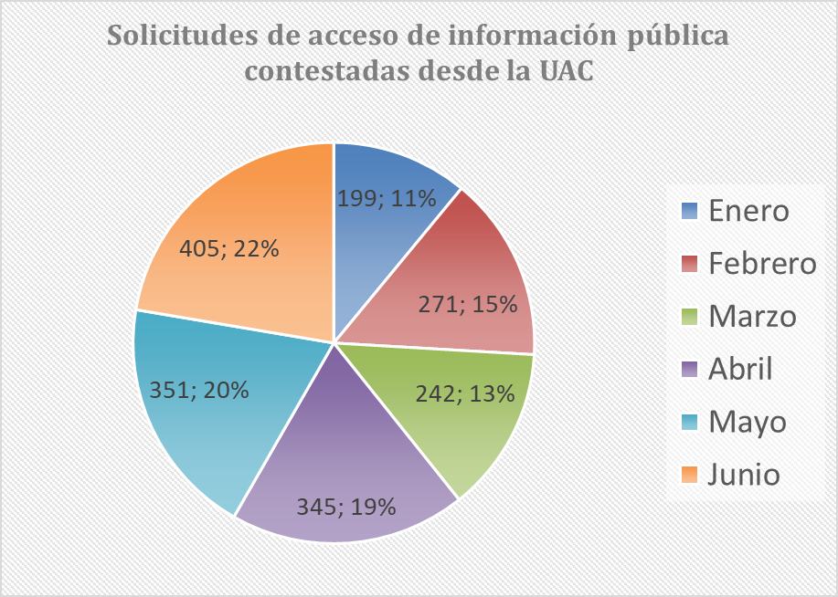

 | SOLICITUDES DE ACCESO A LA INFORMACIÓN PÚBLICA TRASLADADAS A DEPENDENCIAS DE SENADO Y CÁMARA
 | No. SOLICITUD | No. RADICADO ENTRADA | FECHA RADICACIÓN | No. RADICADO RESPUESTA | FECHA RESPUESTA | TIEMPO DE RESPUESTA
 | 1 | 0001 | 2020-01-07 | UAC-CS-0001-2020 | 2020-01-07 | 0
 | 2 | 0002 | 2020-01-07 | UAC-CS-0003-2020 | 2020-01-07 | 0
 | 3 | 0003 | 2020-01-07 | UAC-CS-0005-2020 | 2020-01-07 | 0
 | 4 | 0004 | 2020-01-07 | UAC-CS-0007-2020 | 2020-01-07 | 0
 | 5 | 0005 | 2020-01-07 | UAC-CS-0009-2020 | 2020-01-07 | 0
 | 6 | 0006 | 2020-01-07 | UAC-CS-0011-2020 | 2020-01-07 | 0
 | 7 | 0007 | 2020-01-07 | UAC-CS-0013-2020 | 2020-01-07 | 0
...
 | 1395 | 3756 | 2020-06-29 | UAC-CE-CV19-5864-2020 | 2020-07-01 | 2
 | 1396 | 3757 | 2020-06-29 | UAC-CE-CV19-5866-2020 | 2020-07-01 | 2
 | 1397 | 3759 | 2020-06-29 | UAC-CE-CV19-5869-2020 | 2020-07-01 | 2
 | 1398 | 3760 | 2020-06-29 | UAC-CE-CV19-5871-2020 | 2020-07-01 | 2
 | 1399 | 3771 | 2020-06-29 | UAC-CE-CV19-5886-2020 | 2020-07-02 | 3
 | 1400 | 3772 | 2020-06-29 | UAC-CE-CV19-5888-2020 | 2020-07-02 | 3
 | 1401 | 3773 | 2020-06-29 | UAC-CE-CV19-5890-2020 | 2020-07-02 | 3
 | 1402 | 3774 | 2020-06-29 | UAC-CE-CV19-5892-2020 | 2020-07-02 | 3
 | TOTAL PQRSD TRASLADADAS AL INTERIOR DEL CONGRESO |  |  |  |  | 1,402

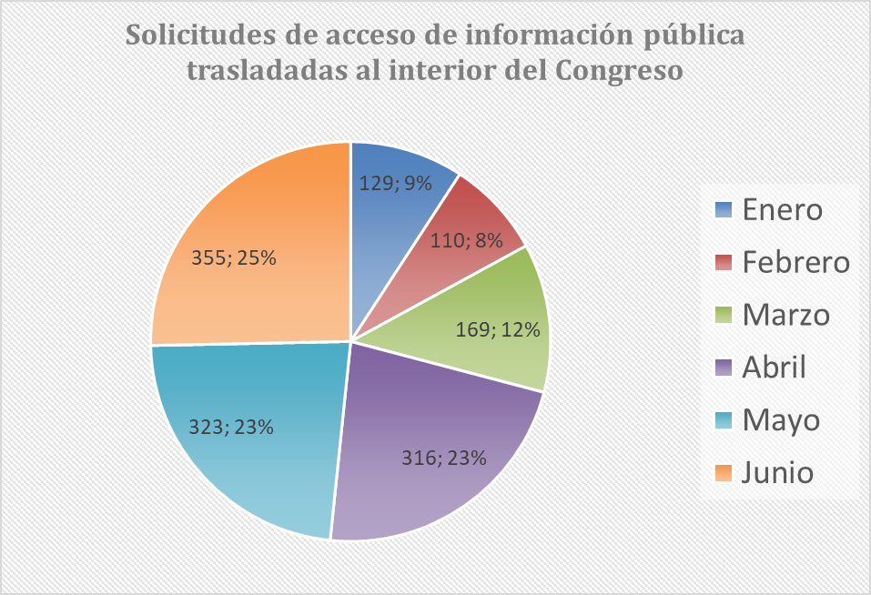

SOLICITUDES DE INFORMACIÓN PÚBLICA ENTREGADAS POR LA UNIDAD DE CORRESPONDENCIA DEL SENADO A DEPENDENCIAS DEL SENADO
No. SOLICITUD | No. RADICADO ENTRADA | FECHA RADICACIÓN | FECHA TRASLADO | TIEMPO DE ENTREGA | No. RADICADO RESPUESTA | FECHA RESPUESTA | TIEMPO DE RESPUESTA
1 | 127-2020 | 2020-01-07 | N.R | S.I | N.R | N.R | S.I
2 | 175-2020 | 2020-01-08 | N.R | S.I | N.R | N.R | S.I
3 | 184-2020 | 2020-01-08 | N.R | S.I | N.R | N.R | S.I
4 | 199-2020 | 2020-01-08 | N.R | S.I | N.R | N.R | S.I
5 | 203-2020 | 2020-01-08 | N.R | S.I | N.R | N.R | S.I
6 | 259-2020 | 2020-01-09 | N.R | S.I | N.R | N.R | S.I
7 | 260-2020 | 2020-01-09 | N.R | S.I | N.R | N.R | S.I
8 | 340-2020 | 2020-01-10 | N.R | S.I | N.R | N.R | S.I
...
90 | 5525-2020 | 2020-03-11 | N.A | N.R | N.R | N.R | N.R
91 | 5692-2020 | 2020-03-12 | N.A | N.R | N.R | N.R | N.R
92 | 5742-2020 | 2020-03-12 | N.A | N.R | N.R | N.R | N.R
93 | 6091-2020 | 2020-03-17 | N.A | N.R | N.R | N.R | N.R
94 | 5939-2020 | 2020-03-16 | N.A | N.R | N.R | N.R | N.R
95 | 5952-2020 | 2020-03-16 | N.A | N.R | N.R | N.R | N.R
96 | 6003-2020 | 2020-03-16 | N.A | N.R | N.R | N.R | N.R
97 | 6152-2020 | 2020-03-17 | N.A | N.R | N.R | N.R | N.R
TOTAL PQRSD RECIBIDAS EN LA UNIDAD DE CORRESPONDENCIA |  |  |  |  |  |  | 97

